Screening_Parameters
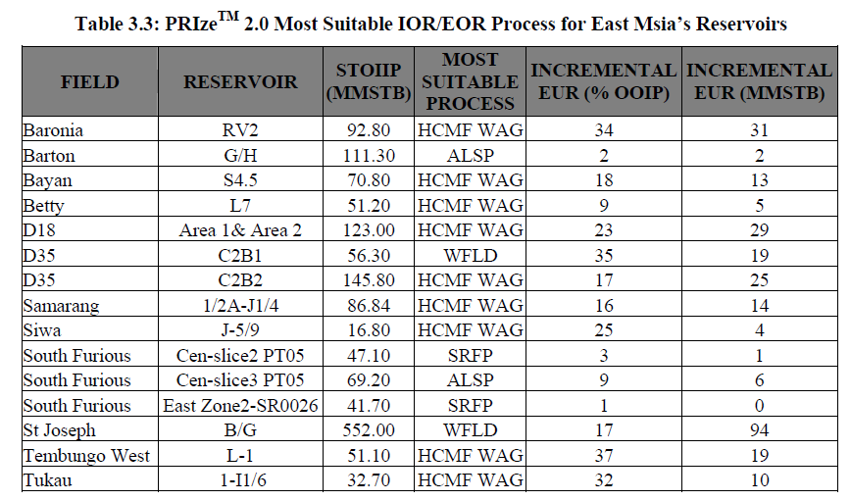
Field | Reservoir | STOIIP (MMSTB) | Recovery_Factor_pct | Present_EUR_MMSTB | Avg_Porosity_pct | Initial_Oil_Sat_pct | Current_Oil_Sat_pct | Initial_Reservoir_Pressure_kPa | Current_Reservoir_Pressure_kPa | Fracture_Pressure_kPa | Reservoir_Temperature_C | MOST SUITABLE PROCESS | OTHERS PASS METHOD | INCREMENTAL EUR (%OOIP) | INCREMENTAL EUR (MMSTB)
Dulang | E10/11 | 137.61 | 33.7 | 46.4 | 25 | 59.1 | 47.7 | 12411 | 8274 | 17505 | 102 | HCMF WAG | IGAS CO2 WAG, IGAS-N2 WAG, WFLD, HORZ WFLD | 19 | 26
Dulang | E12/13 | 235.12 | 39.2 | 92.2 | 25 | 61.9 | 51.9 | 12411 | 8274 | 17505 | 102 | HCMF WAG | HORZ WFLD, IGAS-CO2 WAG, IGAS-N2 WAG | 17 | 40
Dulang | E14 | 86.93 | 39.6 | 34.4 | 25 | 66.6 | 52.2 | 12411 | 9653 | 17505 | 102 | HCMF WAG | IGAS-CO2 WAG, IGAS-N2 WAG | 9 | 8
Dulang | E7 | 124.10 | 31.1 | 38.6 | 28 | 66 | 52.8 | 12169 | 8274 | 16826 | 99 | IGAS-CO2 NON WAG | HCMF NON-WAG, IGAS-N2 NON-WAG | 7 | 17
Dulang | LDI | 90.18 | 30.6 | 27.6 | 28 | 65.3 | 52.4 | 12066 | 9653 | 16827 | 99 | WFLD | HORZ | 22 | 20
East Bunga Kekwa | I-115 | 53.80 | 36 | 9.4 | 23 | 60 | 59.3 | 20616 | 20340 | 28660 | 116 | HCMF WAG | CO2M WAG, IGAS-CO2 WAG, HORZ, IGAS-N2 WAG | 50 | 27
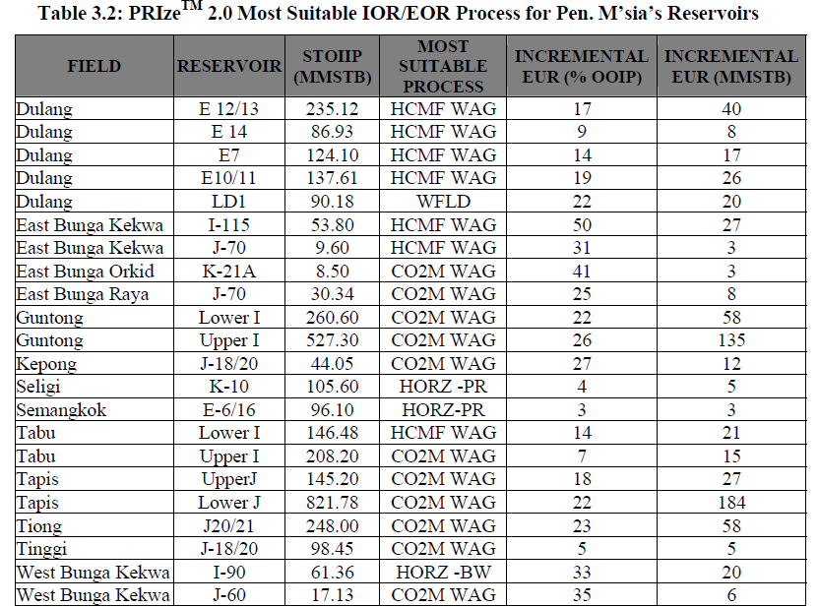
East Bunga Kekwa | J-70 | 9.60 | 32 | 3 | 15 | 50 | 48.4 | 22133 | 20244 | 32012 | 127 | CO2M WAG | HCMF WAG | 14 | 1
East Bunga Orchid | K-21A | 8.50 | 18.8 | 1.6 | 16 | 44 | 43 | 27125 | 27125 | 37290.36 | 144 | CO2M WAG | HCMF WAG, CO2M NON WAG, HCMF NON WAG | 41 | 3
East Bunga Raya | J-70 | 30.34 | 56.6 | 17.2 | 18.4 | 64 | 63.4 | 22533 | 22533 | 31373 | 132 | CO2M WAG/HCMF WAG | IGAS-CO2 WAG, IGAS-N2 WAG | 25 | 8
West Bunga Kekwa | I-90 | 61.36 | 45.8 | 28.1 | 21.2 | 73.3 | 63.6 | 19761 | 17237 | 27791 | 118 | CO2M WAG | HCMF WAG, HORZ WF | 26 | 16
West Bunga Kekwa | J-60 | 17.13 | 24.2 | 4.1 | 0.182 | 56.3 | 49.3 | 21870 | 18272 | 30329 | 128 | CO2M WAG | HCMF WAG | 35 | 6
Kepong | J18/20 | 44.05 | 55 | 24 | 25 | 73.7 | 40 | 17602 | 15079 | 24507 | 87 | CO2M NON WAG | HCMF NON WAG | 5 | 2
Seligi | K-10 | 105.60 | 34 | 36 | 24 | 67 | 51.4 | 15580 | 14610 | 20002 | 103 | HORZ-PR | None | 5 | 5
Semangkok | E6/16 | 96.10 | 43.1 | 41.4 | 31.4 | 79 | 65.7 | 9749 | 8549 | 13624 | 85 | HORZ-PR | None | 3 | 3
Tabu | Lower I | 146.48 | 28.6 | 18 |  | 45 | 34.4 | 19060 | 15620 | 25471 | 118 | HCMF WAG | None | 14 | 21
Tabu | Upper I | 208.20 | 32 | 67.5 | 20 | 43.7 | 31.3 | 15620 | 11550 | 21997 | 118 | CO2M WAG | HCMF WAG | 7 | 15
Tapis | Upper J | 145.20 | 42.2 | 61.3 | 20 | 50 | 32 | 17000 | 13000 | 21916 | 110 | CO2M WAG | HCMF WAG | 18 | 26
Tapis | Lower J | 208.20 | 45.6 | 375.1 | 20.5 | 50 | 31.4 | 18500 | 15500 | 24399 | 120 | CO2M WAG | HCMF WAG | 22 | 46
Guntong | Upper I | 527.30 |  |  |  |  |  |  |  |  |  | CO2M WAG |  | 26 | 137
Guntong | Lower I | 260.60 |  |  |  |  |  |  |  |  |  | CO2M WAG |  | 22 | 57
Tiong | J-20/21 | 248.00 |  |  |  |  |  |  |  |  |  | CO2 WAG |  | 23 | 57
Tinggi | J-18/20 | 98.45 | 59 | 58 | 27 | 59.4 | 25.4 | 13135 | 11239 | 18156 | 91 | CO2M WAG | CO2M Non-WAG | 5 | 5
Baronia | RV2 | 92.80 | 66.7 | 61.9 | 17.5 | 60 | 46.5 | 23580 | 22918 | 32392 | 80 | HCMF WAG | None | 34 | 32
Barton | G/H | 111.30 | 54.7 | 60.9 | 23 | 77 | 49.8 | 7191 | 4033 | 8278 | 52.8 | ALSP | None | 2 | 2
Bayan | S4.5 | 70.80 |  |  |  |  |  |  |  |  |  | HCMF WAG |  | 18 | 13
Betty | L7 | 51.20 | 57.7 | 29.6 | 26.4 | 73 | 31.9 | 23546 | 17065 | 32256 | 89 | HCMF WAG | HCMF NON-WAG | 9 | 5
D18 | Area 1 & 2 | 123.00 | 19.5 | 24 | 25 | 50 | 39.1 | 12273 | 9653 | 16541 | 94 | HCMF WAG | HCMF NON-WAG | 23 | 28
Samarang | 1/2A-J1/4 | 86.84 |  |  |  |  |  |  |  |  |  | HCMF WAG |  | 16 | 14
South Furious Cen. | Slice3 PT05 | 69.20 | 13 | 9 | 22 | 59 | 48.4 | 11549 | 5516 | 14479 | 64 | SRFP | ALSP | 8 | 6
South Furious Cen. | Slice2 PT05 | 47.10 | 19.1 | 9 | 22 | 59 | 46 | 8274 | 4137 | 10340 | 56 | SRFP |  | 3 | 1
South Furious East | Zone2-SR0026 | 41.70 | 21.6 | 9 | 22 | 65 | 49.7 | 7998 | 4137 | 10340 | 56 | SRFP | ALSP | 1 | 0
St Joseph | B/G | 552.00 | 37.9 | 208.9 | 20 | 73 | 53 | 7205 | 3344 | 9309 | 52 | WFLD | IGAS-WAG, SRFP, ALSP | 18 | 99
Tembungo West | L-1 | 51.10 | 32.5 | 16.6 | 15 | 47 | 42.9 | 28814 | 24132 | 33911 | 93 | HCMF WAG | - | 37 | 19
Tukau | 1-I1/6 | 32.70 | 22.7 | 7.4 | 16 | 60 | 47.9 | 11880 | 10866 | 16378 | 93 | HCMF WAG | HCMF NON-WAG | 32 | 10
D35 | C2B1 | 56.30 | 21.5 | 12.1 | 20 | 65 | 58.5 | 18202 | 13790 | 23992 | 113 | WFLD | HCMF WAG, HCMF NON-WAG, IGAS-CO2, IGAS-N2 | 35 | 20
D35 | C2B2 | 145.80 | 29.7 | 43.3 | 20 | 65 | 48.5 | 18202 | 11721 | 23992 | 113 | HCMF WAG | HCMF NON-WAG | 17 | 25
SIWA | J-5/9 | 22.00 | 27.3 | 6 | 18.5 | 57 | 43.5 | 13886 | 13865 | 19147 | 68 | HCMF WAG | HCMF NON-WAG | 25 | 6

